Cover
 |  | Links to the IGR report and supporting papers
 |  | 2021-22 NSW Intergenerational Report
 |  | Technical Research Papers
 |  | Technical note and sensitivity tables

Key Paramters from the 2021 IGR
Index of sheets

 | Worksheet | Description
 | Cover | Index of sheets
 | 1. Population | NSW population by single year of age and sex
 | 2. Labour participation | NSW underlying participation rate by selected age cohors and sex
 | 3. Labour force | NSW labour force parameters (employment, unemployment, labour force participation and supply)
 | 4. GSP and prices | NSW economic parameters (economy, productvity and prices)
 | 5. Fiscal Parameters | NSW long-run fiscal projections (revenues and expenses)
 | 6. Climate Impacts | NSW climate parameters (natural disasters, sea level rises, heatwaves and agricultural population)

The IGR Model |  | Explanation of the modules
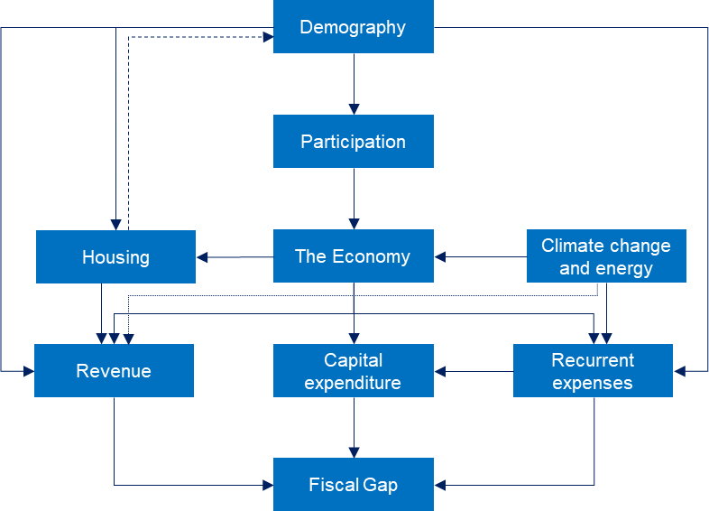

Explanatory note
The IGR's model inputs were finalised following the NSW 2020-21 Half-Yearly Review. Near-term forecasts, utilised in the model, reflect NSW Treasury's view as at that time and should be utilised with caution in light of recent economic developments. Importantly, the 40-year projections are made on a no-policy change basis. This means that the IGR's projections are not a prediction of the future, but instead an indication of the state's long-term outlook if existing policy setting and trends were to persist.
Economic parameters are projected on an annual basis beginning with the last year of historical data (2019-20). The next 5 years (2020-21 to 2024- 25) are populated using NSW Treasury’s short-term forecasts. The model than transitions the NSW economy to equilibrium by 2028-29. It does this by closing the output gap and moving the economy to full employment.

5. Fiscal Parameters
NSW Parameters: Fiscal
At at NSW Budget Half Yearly Review 2020-21 (figures below include earnings from the NSW Generations Fund)

 |  |  |  |  | Projection period
 | Parameter | Units | 2018-19 | 2019-20 | 2020-21 | 2021-22 | 2022-23 | 2023-24 | 2024-25 | 2025-26 | 2026-27 | 2027-28 | 2028-29 | 2029-30 | 2030-31 | 2031-32 | 2032-33 | 2033-34 | 2034-35 | 2035-36 | 2036-37 | 2037-38 | 2038-39 | 2039-40 | 2040-41 | 2041-42 | 2042-43 | 2043-44 | 2044-45 | 2045-46 | 2046-47 | 2047-48 | 2048-49 | 2049-50 | 2050-51 | 2051-52 | 2052-53 | 2053-54 | 2054-55 | 2055-56 | 2056-57 | 2057-58 | 2058-59 | 2059-60 | 2060-61
 | Revenue (ex-interest) | $b | 81.1 | 80.9 | 84.4 | 89.5 | 92.3 | 94.2 | 96.6 | 99.8 | 103.9 | 108.0 | 112.6 | 117.5 | 122.7 | 128.2 | 134.1 | 140.3 | 146.7 | 153.7 | 161.0 | 168.8 | 177.1 | 185.6 | 194.8 | 204.2 | 213.9 | 224.4 | 235.1 | 246.3 | 258.1 | 270.6 | 283.8 | 297.3 | 311.7 | 326.8 | 342.6 | 359.1 | 376.1 | 394.3 | 413.4 | 433.5 | 454.5 | 476.3 | 499.5
 | Expenses (ex-interest) | $b | 78.7 | 86.2 | 95.4 | 93.0 | 91.2 | 91.5 | 98.5 | 103.6 | 109.2 | 114.8 | 120.5 | 126.4 | 132.6 | 139.2 | 146.1 | 153.2 | 160.6 | 168.3 | 176.4 | 185.0 | 194.0 | 203.3 | 213.2 | 223.7 | 234.7 | 246.1 | 257.8 | 270.2 | 283.1 | 296.6 | 310.7 | 325.3 | 340.8 | 357.0 | 373.9 | 391.6 | 409.7 | 428.9 | 449.0 | 470.1 | 492.1 | 514.9 | 539.0
 | Gross Capital Expenditure | $b | 16.6 | 21.0 | 15.5 | 15.5 | 15.5 | 15.5 | 15.5 | 15.5 | 15.5 | 15.5 | 15.5 | 15.5 | 18.2 | 20.1 | 21.1 | 22.0 | 22.5 | 23.7 | 24.5 | 25.8 | 27.2 | 28.0 | 29.8 | 31.1 | 32.5 | 33.9 | 34.8 | 36.5 | 37.8 | 39.4 | 41.2 | 42.4 | 44.7 | 46.7 | 48.8 | 50.8 | 52.1 | 54.7 | 57.3 | 60.0 | 62.7 | 64.8 | 68.3
 | Total Expenditure (ex-interest) | $b | 89.1 | 101.3 | 104.2 | 101.5 | 99.4 | 99.5 | 106.1 | 110.9 | 116.2 | 121.4 | 126.8 | 132.3 | 140.8 | 148.8 | 156.2 | 163.7 | 171.0 | 179.3 | 187.6 | 196.8 | 206.6 | 216.0 | 226.9 | 238.0 | 249.5 | 261.5 | 273.2 | 286.4 | 299.7 | 313.7 | 328.6 | 343.4 | 360.0 | 377.1 | 394.9 | 413.2 | 431.3 | 451.8 | 473.0 | 495.3 | 518.5 | 541.6 | 567.5
 | Primary Balance | $b | -7.9 | -20.4 | -19.8 | -12.0 | -7.1 | -5.3 | -9.6 | -11.1 | -12.2 | -13.5 | -14.2 | -14.8 | -18.1 | -20.5 | -22.1 | -23.4 | -24.2 | -25.6 | -26.6 | -28.0 | -29.5 | -30.4 | -32.1 | -33.8 | -35.6 | -37.2 | -38.2 | -40.0 | -41.5 | -43.1 | -44.9 | -46.1 | -48.2 | -50.2 | -52.2 | -54.1 | -55.2 | -57.5 | -59.6 | -61.9 | -64.0 | -65.3 | -68.0

Fiscal aggregates published here may differ from HYR aggregates on account of projection methodologies (e.g. for gross capital expenditure), the timing of inputs into the IGR model and rounding. Therefore, these aggregates will differ from those published at Budget 2021-22 and do not take into account the 2021 winter lockdown in New South Wales.

 | 16.6
 | 21.0
 | 15.5
 | 15.5
 | 15.5
 | 15.5
 | 15.5
 | 78.7
 | 86.2
 | 95.4
 | 93.0
 | 91.2
 | 91.5
 | 98.5

